Reference Data
Bin Av | Number | Product
20 | 425337 | 8506740
21 | 453690 | 9527490
22 | 483028 | 10626616
23 | 506734 | 11654882
24 | 528799 | 12691176
25 | 551654 | 13791350
26 | 568372 | 14777672
27 | 584524 | 15782148
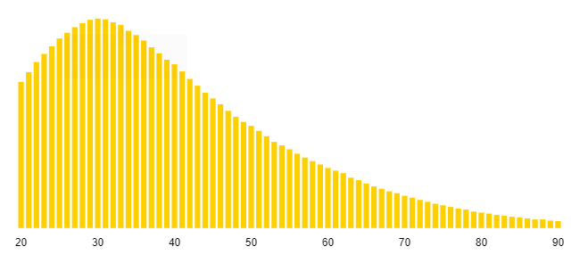
28 | 596203 | 16693684
29 | 606110 | 17577190
30 | 609576 | 18287280
31 | 607406 | 18829586
32 | 598657 | 19157024
33 | 591206 | 19509798
34 | 574089 | 19519026
35 | 561563 | 19654705
36 | 545756 | 19647216
37 | 525808 | 19454896
38 | 508569 | 19325622
39 | 489892 | 19105788
40 | 476562 | 19062480
41 | 455769 | 18686529
42 | 434016 | 18228672
43 | 414277 | 17813911
44 | 393823 | 17328212
45 | 377301 | 16978545
46 | 360289 | 16573294
47 | 341037 | 16028739
48 | 323967 | 15550416
49 | 308984 | 15140216
50 | 297379 | 14868950
51 | 282804 | 14423004
52 | 267229 | 13895908
53 | 250702 | 13287206
54 | 240689 | 12997206
55 | 229164 | 12604020
56 | 216472 | 12122432
57 | 205235 | 11698395
58 | 194901 | 11304258
59 | 185095 | 10920605
60 | 174810 | 10488600
61 | 167330 | 10207130
62 | 159786 | 9906732
63 | 146607 | 9236241
64 | 139391 | 8921024
65 | 129690 | 8429850
66 | 121109 | 7993194
67 | 114327 | 7659909
68 | 106870 | 7267160
69 | 101609 | 7011021
70 | 93967 | 6577690
71 | 88277 | 6267667
72 | 81995 | 5903640
73 | 76439 | 5580047
74 | 70767 | 5236758
75 | 66265 | 4969875
76 | 61673 | 4687148
77 | 56661 | 4362897
78 | 53720 | 4190160
79 | 48106 | 3800374
80 | 45017 | 3601360
81 | 42264 | 3423384
82 | 38294 | 3140108
83 | 35871 | 2977293
84 | 32935 | 2766540
85 | 30583 | 2599555
86 | 28082 | 2415052
87 | 25132 | 2186484
88 | 25374 | 2232912
89 | 21815 | 1941535
90 | 20381 | 1834290
 | 19577815 | 791448517
 |  | 40.425783827

